Sheet1
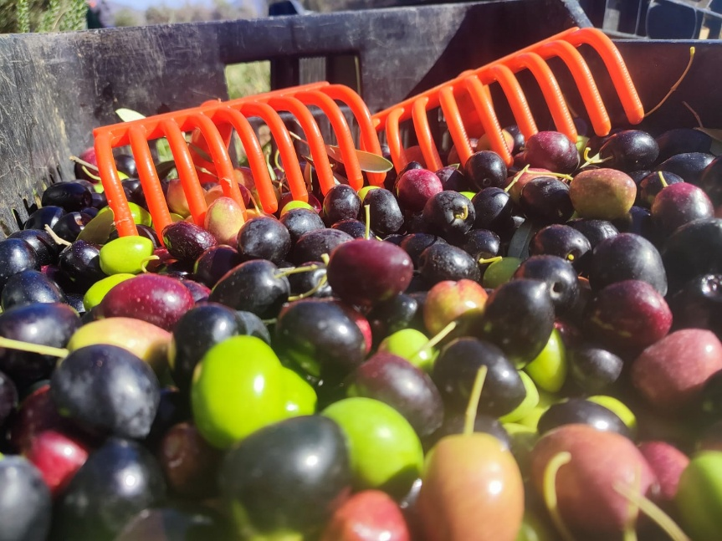
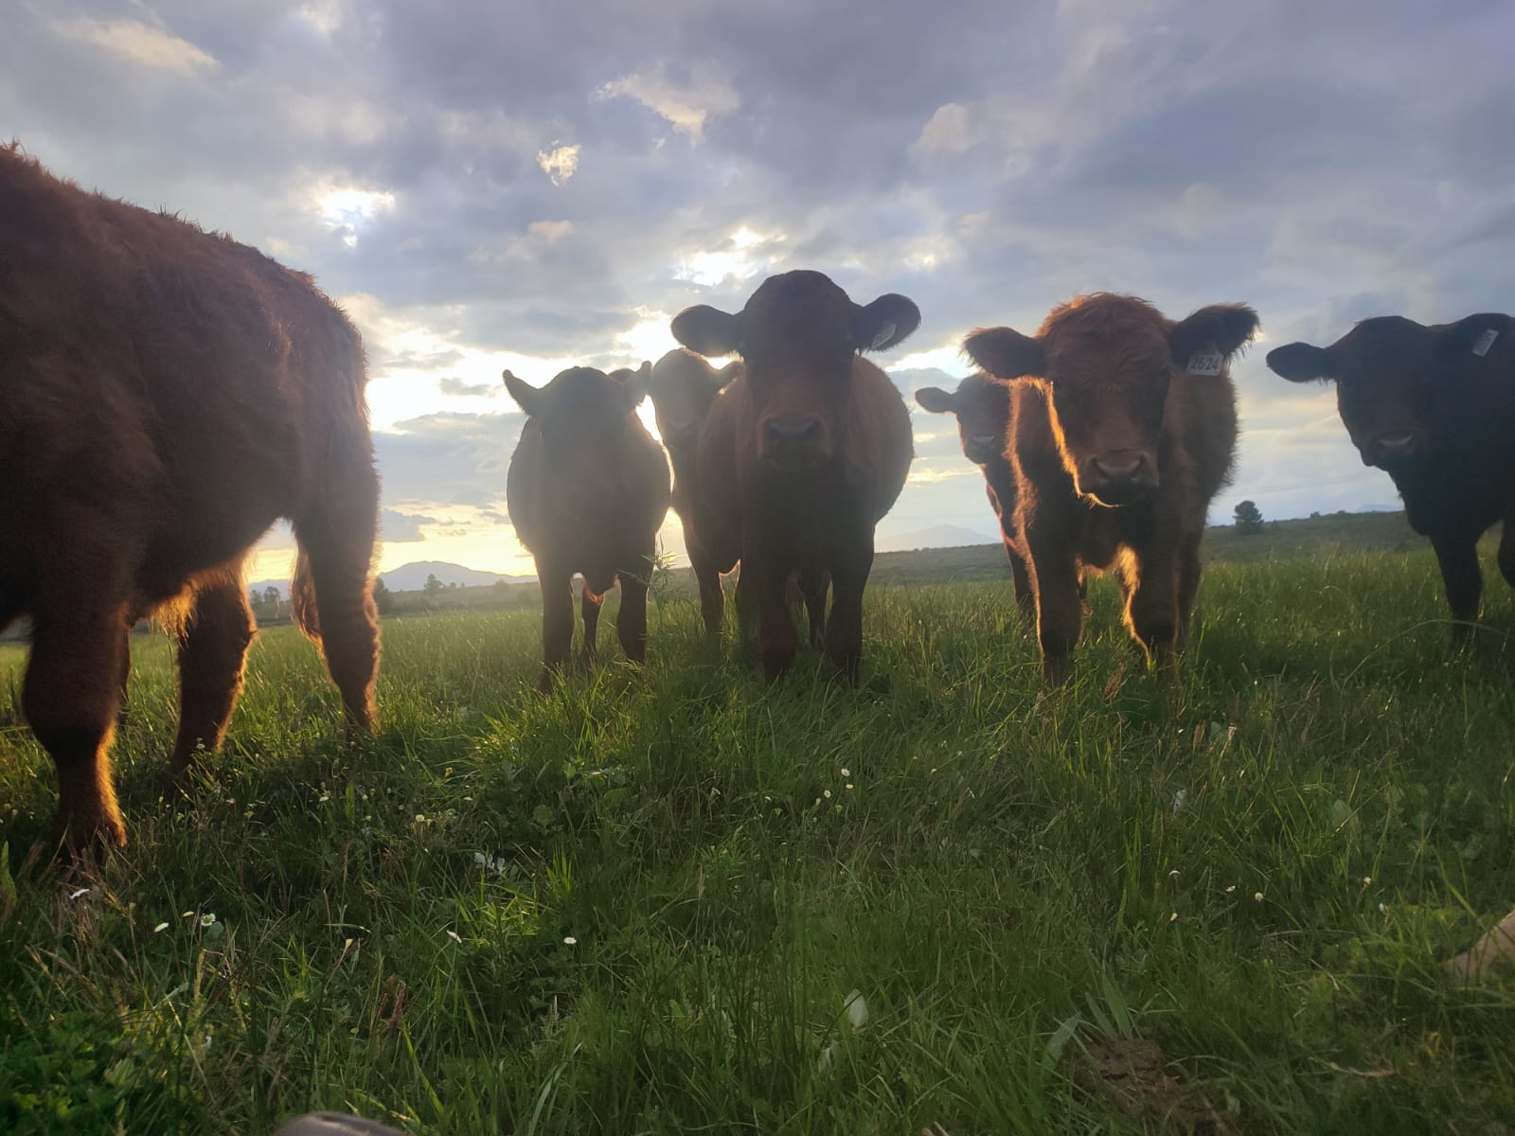
Eikelaan Farm Wish List
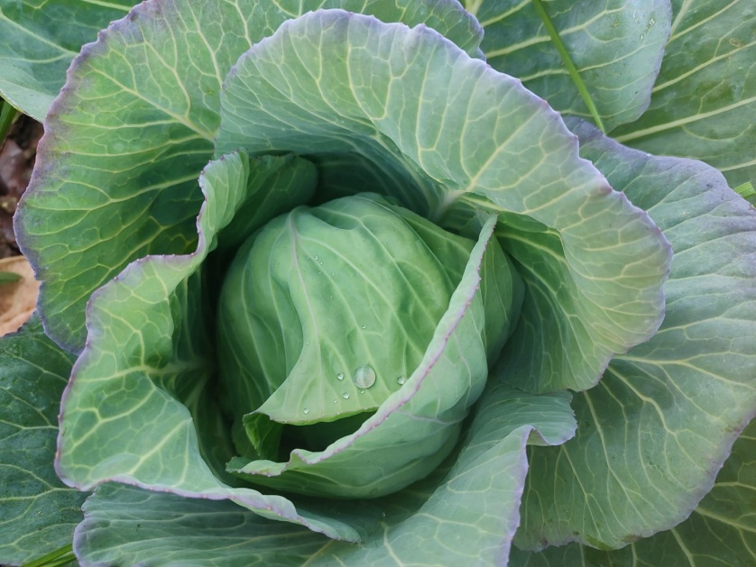

 |  | P/Kg | R38.00 | 0 | R-
Week 35- 2026
Week ending 28th August 2026
Please fill in your details below when ordering

NAME:
DELIVERY ADDRESS:
CONTACT NUMBER:
CODE | ORGANIC* VEGGIES DESCRIPTION | UNIT | PRICE | ORDER | TOTAL
ASP01 | Asparagus | Bunch | R58.00 |  | R-
SPI04 | Baby Spinach* | 115g | R24.00 |  | R-
BAB07 | Baby Marrows* | P/Kg | R52.00 |  | R-
BEA04 | Beans green* | 350g | R26.00 |  | R-
BUT01 | Butternuts* | P/Kg | R22.00 |  | R-
CAB02 | Cabbage Red * | Head | R32.00 |  | R-
CAB01 | Cabbage Savoy* Limited | Head | R25.00 |  | R-
CEL02 | Celery Sticks* | 150g | R20.00 |  | R-
CEL03 | Celery Table* | Each | R23.00 |  | R-
FEN02 | Fennel Bulbs* for roasting or salad | 3 per bunch | R22.00 |  | R-
GAR03 | Garlic | 2 Bulbs | R42.00 |  | R-
GAR04 | Garlic | P/Kg | R165.00 |  | R-
GIN01 | Ginger * | P/Kg | R165.00 |  | R-
JER01 | Jerusalem Artichokes for roasting * | 500g | R25.00 |  | R-
KAL01 | Kale Curly* | Bunch | R18.00 |  | R-
LEE01 | Leeks* | Bunch | R18.00 |  | R-
LET01 | Lettuce Fancy | 125g | R23.00 |  | R-
LET06 | Lettuce Butter* | Head | R17.00 |  | R-
LET05 | Lettuce Cos* | Head | R17.00 |  | R-
MIX01 | Lettuce Iceberg* | Head | R17.00 |  | R-
LET08 | Lettuce Oak Leaf Green* | Head | R17.00 |  | R-
MUS01 | Mushroom Portobello | 250g | R39.50 |  | R-
MUS03 | Mushroom Sliced | 250g | R33.00 |  | R-
MUS04 | Mushrooms Button | 250g | R30.60 |  | R-
MUS02 | Mushrooms Porta Bellini | 250g | R37.30 |  | R-
ONI02 | Onions Red* | P/Kg | R45.00 |  | R-
ONI03 | Onions* | P/Kg | R22.00 |  | R-
ONI03 | Onions* | P/Kg | R22.00 |  | R-
PAK01 | Pak Choi* | each | R12.00 |  | R-
PEP09 | Peppers Green* | P/Kg | R45.00 |  | R-
RAD01 | Radish Cherrybella* | Bunch | R15.00 |  | R-
RAN01 | Random Pre-Packed Box Seasonal Veggies (+/- 10-12 VARIETY) | 2/Pax | R175.00 |  | R-
RAN02 | Random Pre-Packed Box Seasonal Veggies (+/- 10-12 VARIETY) | 4/Pax | R235.00 |  | R-
SPI05 | Spinach * | Bunch | R20.00 |  | R-
SPI01 | Spinach Shredded* | 115g | R24.00 |  | R-
SPR01 | Spring Onions* | Bunch | R18.00 |  | R-
SPR02 | Spring Onions Red* | Bunch | R18.00 |  | R-
SWE01 | Sweet Potato* export quality limited | P/Kg | R32.00 |  | R-
SWE01 | Sweet Potato* export quality limited | P/Kg | R32.00 |  | R-
 | VEGIES SOURCED FROM LOCAL FARMS | UNIT | PRICE | ORDER
BEE13 | Beetroot | P/Kg | R28.00 |  | R-
BRO06 | Broccoli | P/Kg | R38.00
BRO03 | Broccoli/Cauliflower Combo Limited | 450- 500g | R28.00 |  | R-
BUT04 | Butternuts | P/Kg | R22.00 |  | R-
CAR01 | Carrots | 500g | R18.00 |  | R-
CAL05 | Cauliflower | Head | R25.00 |  | R-
POT01 | Potatoes Baby | P/Kg | R22.00 |  | R-
POT02 | Potatoes Sandveld | P/Kg | R22.00 |  | R-
TOM01 | Tomato cocktail | 230g | R28.00 |  | R-
TOM04 | Tomatoes Long Life | P/Kg | R40.00 |  | R-
 | VEG & FRUIT - SPECIAL!! | FRUIT | PRICE | ORDER
SPES08 | Cabbage* Minimum Order 3 Heads | Head | R20.00 |  | R-
SPES11 | Celery Table* Minimum Order 3 Bunch | Each | R20.00 |  | R-
LET06 | Lettuce Butter minimum 2 Heads | Head | R14.00 |  | R-
LET05 | Lettuce Cos Minimum 2 Heads | Head | R14.00 |  | R-
SPES16 | Soup Celery*Minimum order 3 Bunch | Bunch | R10.00 |  | R-
SPES 17 | Spring Onions* Minimum order 3 Bunch | Bunch | R14.00 |  | R-
PUM08 | Pumpkin Whole | P/Kg | R22.00 |  | R-
 | OVEN ROAST / MICROWAVE / STEAM / STIR-FRY / AIR FRY |  | SOUP | ORDER
BUT02 | Butternut Cubed | 500g Pillow Pack | R26.00 |  | R-
VEG01 | Farm Mix Seasonal Vegtables* | 800g Pillow Pack | R48.00 |  | R-
VEG03 | Farm Mix Seasonal Vegtables* | 400g Pillow Pack | R28.00 |  | R-
VEG04 | G/Beans/Carrot/B.Nut/ Cauliflower floret Mix | 800g Pillow Pack | R48.00 |  | R-
VEG05 | G/Beans/Carrot/B.Nut/ Cauliflower floret Mix | 400g Pillow Pack | R28.00 |  | R-
BEA01 | Green beans diced* | 350g | R25.00 |  | R-
VEG06 | Green Veg Brocc/ Green Beans/ Cauliflower | 800g Pillow Pack | R48.00 |  | R-
VEG07 | Green Veg Brocc/ Green Beans/ Cauliflower | 400g Pillow Pack | R28.00 |  | R-
PUM02 | Pumpkin Cubed | 500g Pillow Pack | R28.00 |  | R-
SOU11 | Soup mix broccoli & Sweet Potato | 800g Pillow Pack | R48.00 |  | R-
SOU03 | Soup mix broccoli & Sweet Potato | 400g Pillow Pack | R28.00 |  | R-
S0U04 | Soup Mix Butternut & Parsley | 800g Pillow Pack | R48.00 |  | R-
SOU 5 | Soup Mix Butternut & Parsley | 400g Pillow Pack | R28.00 |  | R-
SOU10 | Soup Mix Butternut & Turnip | 400g Pillow Pack | R28.00 |  | R-
SOU07 | Soup Mix Butternut & Turnip | 800g Pillow Pack | R48.00 |  | R-
SOU06 | Soup Mix Leek & Potato | 800g Pillow Pack | R48.00 |  | R-
SOU02 | Soup Mix Leek & Potato | 400g Pillow Pack | R28.00 |  | R-
VEG10 | Sweet Potato Rings* - Oven Roast or Microwave | 800g Pillow Pack | R48.00 |  | R-
VEG11 | Sweet Potato Rings* - Oven Roast or Microwave | 400g Pillow Pack | R28.00 |  | R-
 | EIKELAAN FRESH HERBS ORGANIC* | UNIT | PRICE | ORDER
HERB01 | Buchu Dried* (Agathosma Betulina)Tea Leaves | 150ml | R52.00 |  | R-
HERB02 | Camphor leaves* | 50g | R10.00 |  | R-
CHI05 | Chili* | 50g | R20.00 |  | R-
COR01 | Coriander* | 40g | R15.00 |  | R-
HERB28 | Dill* | 40g | R15.00 |  | R-
HERB06 | Edible Flowers | 35g | R20.00 |  | R-
HERB08 | Kankerbossie Dried* (Sutherlandia Frutescens) | 150ml | R58.00 |  | R-
LEM02 | Lemongrass* | Bunch | R18.00 |  | R-
MAR02 | Marjorum* | 40g | R15.00 |  | R-
HERB26 | Lemon Balm* | 40g | R15.00 |  | R-
HERB12 | Mixed Herb bunches* | 40g | R15.00 |  | R-
HERB30 | Oregano* | 40g | R15.00 |  | R-
HERB14 | Parsley Italian Flat Leaf* | Bunch | R15.00 |  | R-
HERB15 | Parsley Moss* | 40g | R15.00 |  | R-
HERB17 | Rosemary* | 40g | R15.00 |  | R-
HERB18 | Sorrel Green* | Bunch | R12.00 |  | R-
HERB19 | Thyme* | 40g | R15.00 |  | R-
 | FRUIT - LOCAL FARMERS AND EIKELAAN - ORGANIC* | UNIT | PRICE | ORDER
APP03 | Apple Granny Smith | P/Kg | R32.00 |  | R-
APP08 | Apples pink crisp | P/KG | R32.00 |  | R-
AVO01 | Avocado | each | R18.00 |  | R-
BAN03 | Banana | P/KG | R27.00 |  | R-
DAT01 | Dates Medjool | 250g | R50.00 |  | R-
GRA07 | Flippen Nice Grape Juice Lichi Flavour | 340ml | R26.00 |  | R-
GRA09 | Flippen Nice Grape Juice Lime Flavour | 340ml | R26.00 |  | R-
GRA11 | Flippen Nice Grape Juice Natural White | 340ml | R26.00 |  | R-
GRA10 | Flippen Nice Grape Juice Srawberrie | 340ml | R26.00 |  | R-
BLU01 | Fresh Blueberry | 500g | R48.00 |  | R-
BLU03 | Fresh Blueberry | 150g | R30.00 |  | R-
GOO01 | Fresh Gooseberry | 150g | R36.00 |  | R-
STR05 | Fresh Strawberry | 250g | R35.00 |  | R-
FRO11 | Frozen Banana | 500g | R58.00 |  | R-
BLU05 | Frozen Blueberries | 500g | R50.00 |  | R-
BLU04 | Frozen Blueberries | P/Kg | R95.00 |  | R-
DRA04 | Frozen Dragon Fruit | 500g | R67.50 |  | R-
FRO17 | Frozen Kiwi Fruit | 500g | R65.00 |  | R-
FRO18 | Frozen Mandarin | 500g | R48.00 |  | R-
FRO12 | Frozen Mango Chunks | 500g | R85.00 |  | R-
BER01 | Frozen Mixed Berries | 500g | R75.00 |  | R-
FRO23 | Frozen Peach | 500g | R65.22 |  | R-
FRO20 | Frozen Pineapple | 500g | R65.00 |  | R-
STR03 | Frozen Strawberries | 500g | R55.00 |  | R-
STR02 | Frozen Strawberries | P/Kg | R75.00 |  | R-
GRA45 | Granadilla* | P/Kg | R48.00 |  | R-
GRA01 | Grape Fruit * | P/Kg | R38.00 |  | R-
ORA02 | Juice Orange | 1Lt | R42.00 |  | R-
APP12 | Juice Organic Apple* - No Preservatives* | 320ml | R38.00 |  | R-
POM05 | Juice Pomegranate* - No Preservatives* | 1/LT | R94.00 |  | R-
POM03 | Juice Pomegranate* - No Preservatives* | 2LT | R188.00 |  | R-
POM04 | Juice Pomegranate* - No Preservative | 350ml | R38.50 |  | R-
LEM01 | Lemons Organic* Limited | P/Kg | R26.00 |  | R-
LIM02 | Limes* | P/Kg | R98.00 |  | R-
ORA02 | Oranges | P/Kg | R20.00 |  | R-
PEA02 | Pears | P/kg | R30.00 |  | R-
PIN01 | Pineapple | Each | R27.00 |  | R-
 | NUTS & DRIED FRUIT | UNIT | PRICE | ORDER
ALM01 | Almonds | 200g | R52.00 |  | R-
ALM05 | Almonds Flakes | 200g | R54.00 |  | R-
ANT01 | Anti Oxidant Trail Mix | 200g | R50.00 |  | R-
BAN01 | Banana chips | 200g | R30.00 |  | R-
CAS02 | Cashew Nuts Raw | 200g | R52.00 |  | R-
CAS01 | Cashew Nuts Roasted & Salted | 200G | R56.00 |  | R-
CHI10 | Chia Seeds | 200g | R30.00 |  | R-
COC05 | Coconut Flakes | 200g | R42.00 |  | R-
DRI02 | Dried Fruit Mixed | 500g | R78.00 |  | R-
DRI03 | Dried Fruit Nectarines | 500g | R78.00 |  | R-
DRI01 | Dried Parisian Figs* | 200g | R68.00 |  | R-
DRI04 | Dried Peaches (Yellow Cling Peeled) | 500g | R95.00 |  | R-
DRI05 | Dried Pears (Choice Grade) | 500g | R65.00 |  | R-
DRI06 | Dried Prunes (Choice grade) | 500g | R58.00 |  | R-
MAN01 | Mango Strips | 100g | R48.00 |  | R-
NUT08 | Mix Nuts Roasted & Salted | 200g | R52.00 |  | R-
PEA10 | Peanuts & Raisens Roasted | 200G | R22.00 |  | R-
NUT06 | Pecan Pieces | 200g | R62.00 |  | R-
PUM03 | Pumpkin seeds | 200g | R40.00 |  | R-
SUN02 | Sunflower Seed | 200g | R20.00 |  | R-
NUT09 | Wallnuts | 200g | R68.00 |  | R-
 | Honey - No Heat Used to Extract - Cold Swung! | UNIT | PRICE | ORDER
HON07 | Honey Bluegum Eucalyptus | 500g | R112.00 |  | R-
HON03 | Honey Fynbos | 320ml | R70.00 |  | R-
HON05 | Raw Honey | P/Kg | R178.00 |  | R-
HON06 | Raw Honey | 500g | R112.00 |  | R-
 | FARM JAMS & PRESERVES -Sugar Added. | UNIT | PRICE
JAM25 | Jam Apricot | 320ml | R64.00 |  | R-
JAM02 | Jam Blueberry | 320g | R65.00 |  | R-
JAM04 | Jam Gooseberry | 320g | R65.00 |  | R-
JAM14 | Jam Makataan (Watermelon) | 320g | R78.00 |  | R-
JAM07 | Jam Marmalade and Brandy | 320g | R65.00 |  | R-
JAM15 | Jam Marmalade and Whisky | 320g | R65.00 |  | R-
JAM08 | Jam Mixed Berries | 320g | R65.00 |  | R-
JAM11 | Jam Ripe Fig | 320g | R65.00 |  | R-
JAM12 | Jam Strawberry | 320g | R65.00 |  | R-
JAM13 | Jam Tomato | 320g | R64.00 |  | R-
 | FARM EXTRAS OLIVES AND OIL ORGANIC | UNIT | PRICE | ORDER
OLI05 | Oilves Kalamata (Ou Kaapse recipe)* | 375ml | R86.50 |  | R-
OLI04 | Olive Oil Cold Pressed Extra Virgin* | 250ml | R68.50 |  | R-
OLI07 | Olive Oil Cold Pressed Extra Virgin* | 500ml | R128.00 |  | R-
OLI08 | Olive Oil Cold Pressed Extra Virgin* | 5Lt | R1,100.00 |  | R-
OLI09 | Olives Black in Brine | 350g | R65.00 |  | R-
SPER002 | Speroni Olive Oil Italian | 5Lt Tin | R1,200.00 |  | R-
 | COOKIES AND RUSKS & BREAD | UNIT | PRICE | ORDER
POP08 | Cookies Assorted Delux | 250g | R52.00 |  | R-
POP01 | Cookies Assorted | 250g | R38.00 |  | R-
COO06 | Crunchies Honey (LB) | 260g | R50.00 |  | R-
POP02 | Cookies Custard | 200g. | R33.00 |  | R-
POP03 | Cookies Ginger | 200g | R33.00 |  | R-
COO09 | Cookies Velvet Dream | 200g | R52.00 |  | R-
COO10 | Cookies Choc Crunch | 200g | R52.00 |  | R-
POP04 | Cookies Outydse soet koekkies | 200g. | R33.00 |  | R-
POP05 | Cookies Peanut Butter | 200g | R33.00 |  | R-
COO08 | Rusk Vegan | 240g | R78.00 |  | R-
RUS05 | Rusks Buttermilk (LB) | 500g | R67.00 |  | R-
RUS13 | Rusks Condensmilk (LB) | 500g | R67.00 |  | R-
RUS17 | Rusks Nutty Seed Mix (LB) | 500g | R78.00 |  | R-
POP07 | Short Bread Cookies | 200g | R33.00 |  | R-
BRE01 | Sourdough Bread stone ground non gmo | +/-700g | R62.00 |  | R-
 | POPULAR DELI EXTRAS | UNIT | PRICE | ORDER
EXO04 | Curry Exotic Korma | 50g | R28.00 |  | R-
FAR10 | Farm Made Real Butterbeans Jar | 380g | R62.00 |  | R-
FAR03 | Farm Made Beetroot Salad | Jar | R62.00 |  | R-
FAR04 | Farm Made Curried Beans | 380g | R62.00 |  | R-
FAR11 | Farm Made Pickled Onions | 500ml | R62.00 |  | R-
FLP05 | Flippen Nice Balsamic | 250ml | R92.00 |  | R-
FLP5 | Flippen Nice Macadamia Oil Chili Flavour | 250ml | R78.00 |  | R-
FLP6 | Flippen Nice Macadamia Oil Lemon Flavour | 250ml | R78.00 |  | R-
FLP1 | Flippen Nice Macadamia Oil Toasted flavour | 250ml | R78.00 |  | R-
OAT02 | Rolled Oats | P/Kg | R44.00 |  | R-
PEP07 | Pepper Grinder Mini | 50-75g | R55.00 |  | R-
PES03 | Basil Pesto Imported | 190g | R59.00 |  | R-
PES04 | Pesto Sundried Tomato | 140g | R55.00 |  | R-
SAL01 | Salt Grinder Mini | 50-75g | R48.00 |  | R-
TAB4 | Tabasco/Green | 60ml | R75.00 |  | R-
TAB05 | Tabasco/Red | 60ml | R75.00 |  | R-
 | ITALIAN IMPORTED PRODUCTS | UNIT | PRICE | ORDER
ANC06 | Anchovy - | 80G | R95.00 |  | R-
IMP01 | Balsamic Aceto Balsamico di Modena IGP | 250ml | R98.00 |  | R-
IMP05 | Cous Cous Italian Imported | 1KG | R85.00 |  | R-
IMP08 | Gluten Free Gnocchi | 500g | R78.00 |  | R-
GAR29 | Gluten Free Penne Rigate | 400G | R54.00 |  | R-
SANT02 | Gluten Free Spaghetti | 400g | R74.00 |  | R-
IMP09 | Gnocchi Di Patate (Frozen) | 500G | R45.00 |  | R-
IMP10 | Gnocchi Pasta shells- Imported | 500g | R35.00 |  | R-
IMP13 | Granora Tagliatelle | 500g | R34.00 |  | R-
IMP11 | Granoro Fettuccine | 500g | R40.00 |  | R-
IMP15 | Granoro Linguine | 500g | R35.00 |  | R-
PAS003 | Granoro Spaghetti Vermicelloni | 500g | R35.00 |  | R-
GAR27 | Organic Whole Wheat Penne Rigate | 500g | R46.00 |  | R-
GAR26 | Organic Whole Wheat Spaghetti IMP | 500g | R46.00 |  | R-
SANT07 | Pasta Rigatoni | 500g | R35.00 |  | R-
SANT01 | Pasta Tagliatelle | 500g | R35.00 |  | R-
SANT06 | Pasta Tortiglioni | 500g | R35.00 |  | R-
IMP18 | Rice - Risso Arborio -Imported | P/Kg | R143.50 |  | R-
IMP26 | Rodolfi Sugo Napoletana (Glass) | 400g | R55.00 |  | R-
IMP23 | Rodolfi Sugo Arrabbiata (Glass) | 400g | R55.00 |  | R-
IMP22 | Rodolfi Sugo Balsilico (Glass) | 400g | R55.00 |  | R-
ROD011 | Rodolfi Sugo Tomato Paste Double Con. Tube | 130g | R48.00 |  | R-
IMP28 | Spaghetti | 500g | R35.00 |  | R-
SPER002 | Speroni Olive Oil Italian Imported | 5Lt | R1,200.00 |  | R-
TRU01 | Truffel Oil | 250ml | R295.00 |  | R-
IMP30 | Tomato Passata -Di Pomodoro- Glass bottle Imported (Sauce) | 720ml | R46.00 |  | R-
 | ITALIAN COLD MEATS | UNIT | PRICE | ORDER
PROS08 | Coppa sliced | 80g | R56.00 |  | R-
PRO06 | Salame al Tartufo (Delicious with Tartufo) | 80g | R92.00 |  | R-
 | RAINBOW TROUT | UNIT | PRICE | ,
TRO1 | Cold smoked Trout Ribbons | 80g | R65.00 |  | R-
 | IMPORTED CHEESE | UNIT | PRICE | ORDER
CHE12 | Hard Cheese(Italian) | Wedge | R98.00 |  | R-
CHE06 | Imported Italian Grana Padana Hard Cheese | 150g/unit | R120.00 |  | R-
 | DAIRY PRODUCTS - Grass fed | UNIT | PRICE | ORDER
BUT08 | Butter Salted | 500g | R102.00 |  | R-
BUT09 | Butter Unsalted | 500g | R102.00 |  | R-
CHE02 | Cheddar Mature | P/Kg | R366.00 |  | R-
CHE01 | Cheddar Young | P/Kg | R226.00 |  | R-
CHE11 | Feta Glass Jar (MYSTHILL) | Jar | R80.00 |  | R-
GHE07 | Ghee | Jar | R122.00 |  | R-
MIL05 | Raw Milk Full Cream Unpasteurised Limited | 2/Lt | R46.00 |  | R-
 | FREE RANGE POULTRY -Free of Antibiotics & Hormones | UNIT | PRICE | ORDER
FRE01 | Free Range Chicken Braai Pack | P/Kg | R78.00 |  | R-
FRE02 | Free Range Chicken Meaty Carcus | P/Kg | R28.00 |  | R-
FRE03 | Free Range Chicken Drumsticks | P/Kg | R78.00 |  | R-
FRE18 | Free Range Chicken Fillets | P/KG | R105.00 |  | R-
FRE06 | Free Range Chicken Guns (Leg & Thighs) | P/Kg | R78.00 |  | R-
FRE07 | Free Range Chicken Liver | 500G | R48.00 |  | R-
FRE04 | Free Range Chicken Thighs | P/Kg | R78.00 |  | R-
FRE10 | Free Range Chicken Wings | P/Kg | R70.00 |  | R-
FRE11 | Free Range Eggs Limited | Tray/30 | R80.00 |  | R-
FRE12 | Free Range Eggs Limited | Doz | R40.00 |  | R-
FRE14 | Free Range Whole Chicken | P/Kg | R80.00 |  | R-
CHI13 | Free RangeChicken Feet | P/Kg | R28.00 |  | R-
 | PIES - Farm Made Pies | UNIT | PRICE | ORDER
PIE02 | Free range Chicken Pie | Each | R42.00 |  | -
FRE08 | Free Range Chicken Pie | 6xPack | R108.00 |  | -
FRE09 | Free Range Chicken Pie Farm Style large | Large | R192.00 |  | -
PIE03 | Pepper Steak Pie | each | R42.00 |  | -
PIE01 | Venison Pie | each | R42.00 |  | -
 | MEAT PRODUCTS FREE RANGE GRASS FED | UNIT | PRICE | ORDER
BEE02 | Beef Burgers -Gluten & MSG FREE (Pack x 4) G | P/Kg | R175.00 |  | R-
BEE03 | Beef Marrow Bones | P/Kg | R64.00 |  | R-
BEE08 | Beef Shin W | P/Kg | R160.00 |  | R-
BEE09 | Beef Steak Mince X-Lean(approx.. 500g)W | 500g | R89.50 |  | R-
BOE2 | Boerewors Namib W | +/- 500g | R87.00 |  | R-
CAR02 | Carpaccio Springbuck | 80g | R85.00 |  | R-
DRO01 | Droe Wors snack pack | 100g | R49.00 |  | R-
VEN09 | Kudu Burgers Patty +/- 200g | each | R35.00 |  | R-
LAM02 | Lamb & Sausage Braai Pack (4 x chop/2 x sausage)+/- 400g | P/Kg | R178.00 |  | R-
LAM03 | Lamb Mince W | +/- 500g | R140.00 |  | R-
LAM01 | Lamb Sausage gluten free | +/- 500g | R148.00 |  | R-
VEN08 | Ostrich Burger Patty +/-200g each | each | R35.00 |  | R-
POR01 | Pork Belly W | P/Kg | R165.00 |  | R-
POR07 | Pork loin chops (6/pack) | P/Kg | R130.00 |  | R-
POR06 | Pork Mince (approx.. 500g) W | 500g | R75.00 |  | R-
VEN01 | Venison Goulash (approx.. 500g) | P/Kg | R184.00 |  | R-
VEN03 | Venison Lean Mince (approx500g) | P/Kg | R182.00 |  | R-
VEN02 | Venison Sausage (approx.. 500g) | P/Kg | R185.00 |  | R-
WIL08 | Wild Boar Mince | P/Kg | R182.00 |  | R-
KOMBUCHA Vinegar made with honey brewed in oak |  | UNIT | PRICE | ORDER
APPO7 | Vinegar Apple Cider | 500ml | R115.00 |  | R-
FERMENTED |  |  |  | ORDER
KOM11 | Kimchi | 500ml | R110.00 |  | R-
KOM12 | Taco Kraut | 500ml | R98.00 |  | R-

